BALLY
 | BALLY LUXURY FOOTWEAR
PHOTO | REF | DESCR | COLOR | QTY | RETAIL | TOTAL | MADE IN | B | 35 | 36 | 36.5 | 37 | 37.5 | 38 | 38.5 | 39 | 39.5 | 40 | 40.5 | 41 | 41.5 | 42 | 42.5 | 43 | 43.5 | 44 | 44.5 | 45 | 45.5 | 46
 |  |  |  |  |  |  |  | A |  | 4 | 4.5 | 5 | 5.5 | 6 | 6.5 | 7 | 7.5 | 8 | 8.5 | 9 | 9.5 | 10 | 10.5 | 11 | 11.5 | 12 | 12.5 | 13 | 14
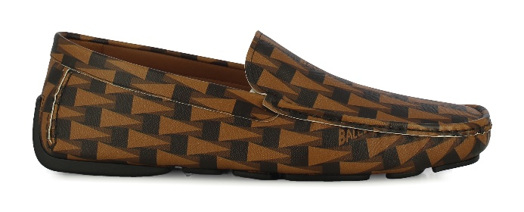 | MSD06D_TE030 | BUCKLE PENNANT.O MIX COTTON FA | I8L1 - MULTIDESERTO | 25 | 410.00 € | 10,250.00 € | PORTUGAL | A |  |  |  |  |  |  |  | 1 |  | 4 |  | 8 |  | 7 |  | 4 |  | 1
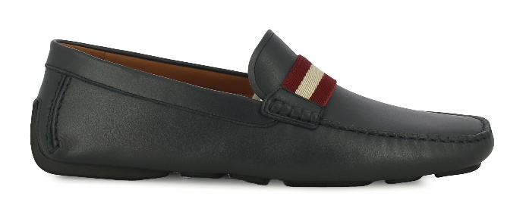 | MSD06E_VT005 | BUCKLE TSP.O CALF PLAIN | U504 - INK 50 | 115 | 390.00 € | 44,850.00 € | PORTUGAL | A |  |  |  | 4 |  | 10 | 1 | 19 | 3 | 23 | 4 | 19 | 5 | 13 | 3 | 8 |  | 3
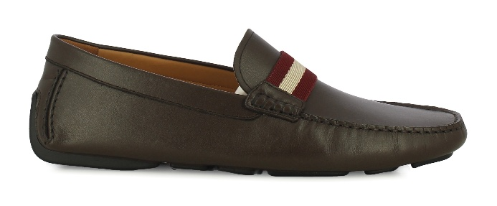 | MSD06E_VT005 | BUCKLE TSP.O CALF PLAIN | U864 - SUEDE/COFFEE 50 | 129 | 390.00 € | 50,310.00 € | PORTUGAL | A |  |  |  | 4 | 1 | 11 | 2 | 21 | 4 | 25 | 4 | 25 | 3 | 15 | 2 | 9 |  | 3
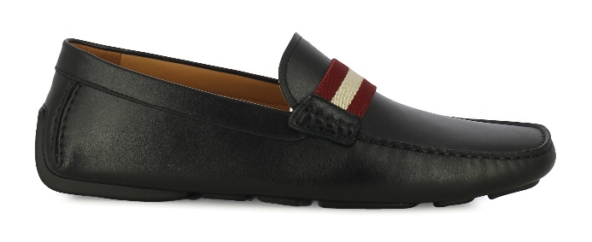 | MSD06E_VT005 | BUCKLE TSP.O CALF PLAIN | U901 - BLACK | 262 | 390.00 € | 102,180.00 € | PORTUGAL | A |  |  |  | 5 | 4 | 27 | 9 | 42 | 15 | 48 | 15 | 44 | 10 | 25 | 3 | 11 |  | 4
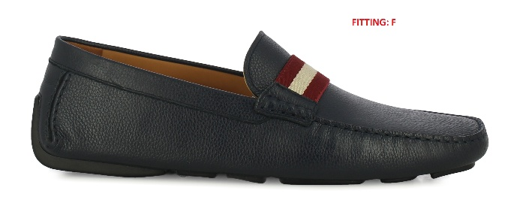 | MSD06E_VTA36 | BUCKLE TSP.O CALF GRAINED | U504 - INK 50 | 481 | 390.00 € | 187,590.00 € | PORTUGAL | A |  |  |  | 14 | 1 | 81 | 30 | 96 | 42 | 76 | 31 | 60 | 13 | 26 |  | 11
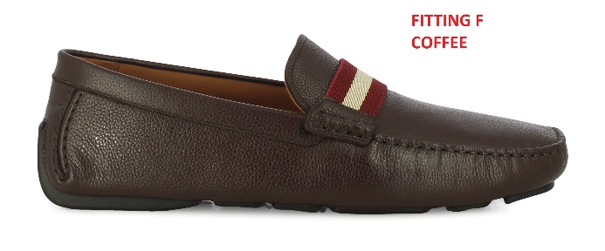 | MSD06E_VTA36 | BUCKLE TSP.O CALF GRAINED | U864 - SUEDE/COFFEE 50 | 585 | 390.00 € | 228,150.00 € | PORTUGAL | A |  |  |  | 14 | 1 | 92 | 39 | 112 | 56 | 96 | 39 | 73 | 13 | 33 | 1 | 14 |  | 2
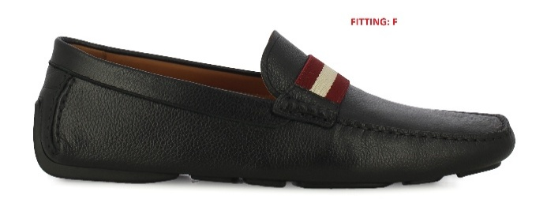 | MSD06E_VTA36 | BUCKLE TSP.O CALF GRAINED | U901 - BLACK | 918 | 390.00 € | 358,020.00 € | PORTUGAL | A |  |  |  | 47 | 15 | 135 | 61 | 171 | 71 | 152 | 63 | 94 | 18 | 58 | 9 | 16 |  | 8
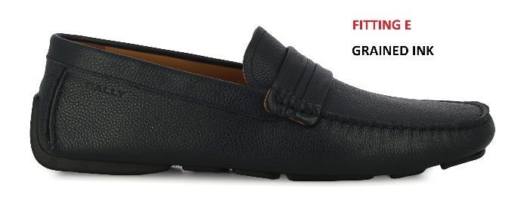 | MSD06N_VT029 | BUCKLE -U.O CALF GRAINED | U504 - INK 50 | 585 | 390.00 € | 228,150.00 € | PORTUGAL | A |  |  |  | 12 | 1 | 88 | 40 | 105 | 55 | 91 | 39 | 79 | 19 | 35 | 2 | 16 |  | 3
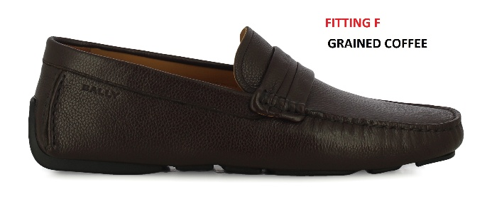 | MSD06N_VT029 | BUCKLE -U.O CALF GRAINED | U864 - SUEDE/COFFEE 50 | 470 | 390.00 € | 183,300.00 € | PORTUGAL | A |  |  |  | 12 | 1 | 70 | 31 | 84 | 43 | 71 | 33 | 63 | 14 | 33 |  | 14 |  | 1
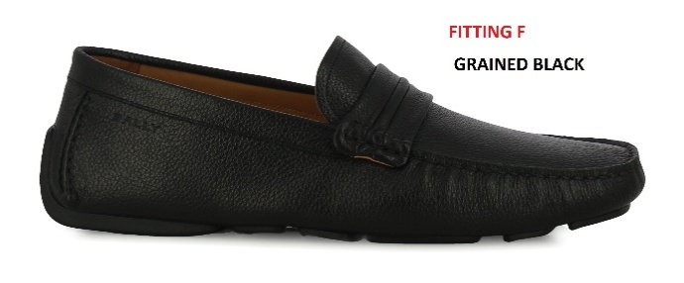 | MSD06N_VT029 | BUCKLE -U.O CALF GRAINED | U901 - BLACK | 946 | 390.00 € | 368,940.00 € | PORTUGAL | A |  |  | 1 | 37 | 13 | 122 | 63 | 165 | 79 | 154 | 73 | 106 | 25 | 65 | 11 | 22 |  | 10
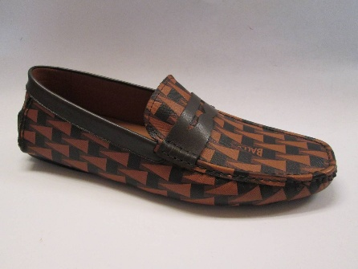 | MSD06O_TE006 | BUCKLE MOC-PEN.O MIX COTTON | I8L1 - MULTIDESERTO | 25 | 390.00 € | 9,750.00 € | PORTUGAL | A |  |  |  |  |  |  |  | 1 |  | 4 |  | 8 |  | 7 |  | 4 |  | 1
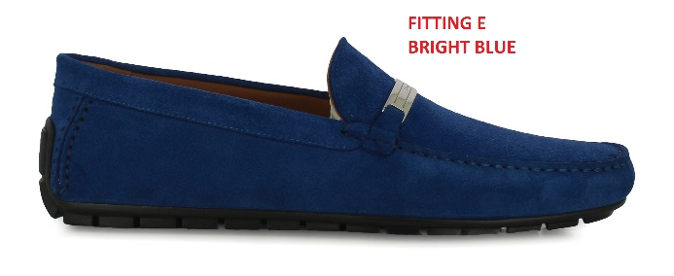 | MSD06F_SU044 | VERYN MORS.O CALF SUEDE | U5C4 BRIGHT BLUE 50 | 26 | 460.00 € | 11,960.00 € | PORTUGAL | B |  |  |  |  |  |  |  |  |  | 1 |  | 3 | 1 | 5 | 2 | 7 | 1 | 3 | 1 | 1 |  | 1
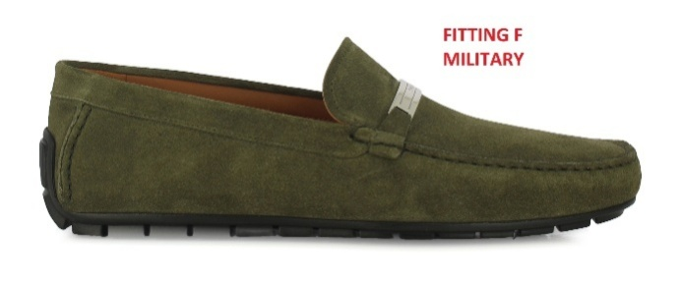 | MSD06F_SU044 | VERYN MORS.O CALF SUEDE | U679 - MILITARY 50 | 159 | 460.00 € | 73,140.00 € | PORTUGAL | B |  |  |  |  |  |  |  |  |  | 14 |  | 21 | 14 | 27 | 14 | 25 | 14 | 15 |  | 13 |  | 2
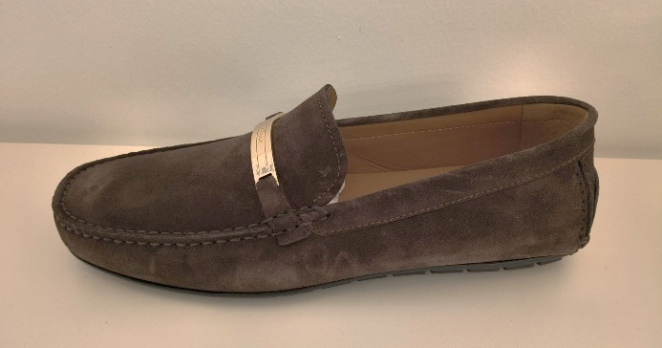 | MSD06F_SU044 | VERYN MORS.O CALF SUEDE | U8N6 COFFEE 50 | 179 | 460.00 € | 82,340.00 € | PORTUGAL | B |  |  |  |  |  |  |  |  |  | 15 |  | 23 | 15 | 31 | 16 | 29 | 15 | 17 | 1 | 14 |  | 3
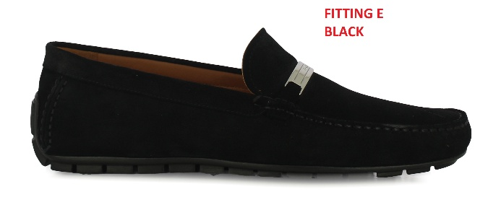 | MSD06F_SU044 | VERYN MORS.O CALF SUEDE | U901 - BLACK | 26 | 460.00 € | 11,960.00 € | PORTUGAL | B |  |  |  |  |  |  |  |  |  | 1 |  | 3 | 1 | 5 | 2 | 7 | 1 | 3 | 1 | 1 | 1
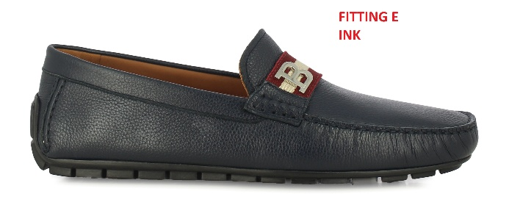 | MSD06H_VTA48 | VERYN B.O CALF GRAINED | U504 - INK 50 | 15 | 420.00 € | 6,300.00 € | PORTUGAL | B |  |  |  |  |  |  |  |  |  | 2 | 1 | 3 | 1 | 3 | 1 | 3 |  | 1
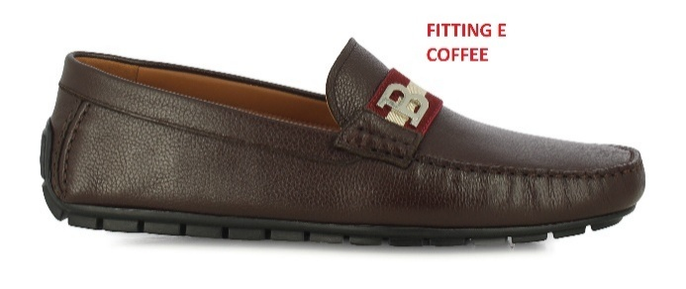 | MSD06H_VTA48 | VERYN B.O CALF GRAINED | U864 - SUEDE/COFFEE 50 | 63 | 420.00 € | 26,460.00 € | PORTUGAL | B |  |  |  |  |  |  |  | 1 |  | 8 | 1 | 13 | 1 | 14 | 1 | 12 |  | 7 |  | 4 |  | 1
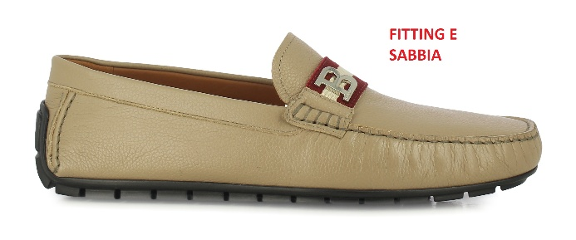 | MSD06H_VTA48 | VERYN B.O CALF GRAINED | U8D5 - SABBIA 50 | 39 | 420.00 € | 16,380.00 € | PORTUGAL | B |  |  |  |  |  |  |  |  |  | 2 | 1 | 4 | 1 | 7 | 1 | 11 |  | 7 |  | 4 |  | 1
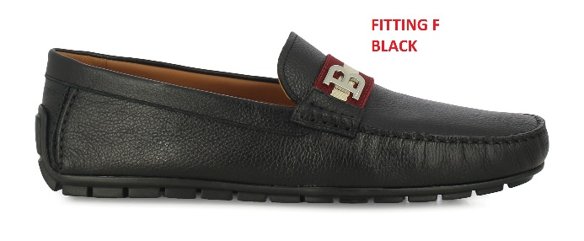 | MSD06H_VTA48 | VERYN B.O CALF GRAINED | U901 - BLACK | 203 | 420.00 € | 85,260.00 € | PORTUGAL | B |  |  |  |  |  |  |  | 5 | 4 | 25 | 16 | 32 | 19 | 34 | 14 | 27 | 6 | 12 | 3 | 5 |  | 1
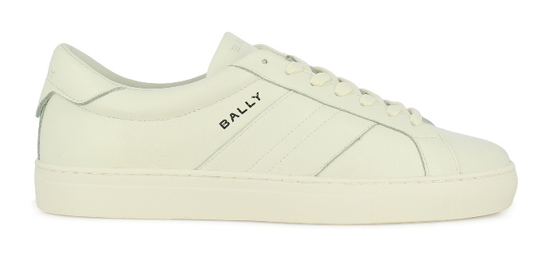 | MSK0H3_VT009 | HEDEY-U.O CALF GRAINED | U001 WHITE | 98 | 390.00 € | 38,220.00 € | PORTUGAL | B |  |  |  |  |  |  |  | 2 |  | 8 | 3 | 14 | 3 | 21 | 4 | 20 | 4 | 10 | 1 | 6 |  | 2
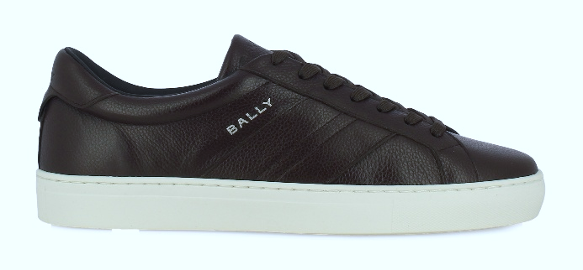 | MSK0H3_VT009 | HEDEY-U.O CALF GRAINED | U534 BLUE NAVY 50 | 102 | 390.00 € | 39,780.00 € | PORTUGAL | B |  |  |  |  |  |  |  | 1 |  | 3 | 1 | 10 | 2 | 17 | 5 | 24 | 5 | 17 | 3 | 11 |  | 3
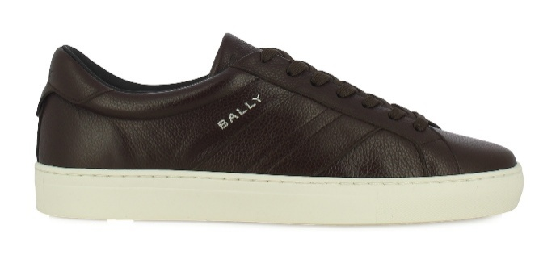 | MSK0H3_VT009 | HEDEY-U.O CALF GRAINED | U864 - SUEDE/COFFEE 50 | 62 | 390.00 € | 24,180.00 € | PORTUGAL | B |  |  |  |  |  |  |  | 1 |  | 2 |  | 7 | 1 | 12 | 2 | 14 | 2 | 9 | 2 | 8 |  | 2
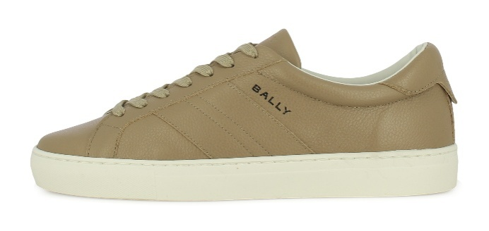 | MSK0H3_VT009 | HEDEY-U.O CALF GRAINED | U8D5 - SABBIA 50 | 21 | 390.00 € | 8,190.00 € | PORTUGAL | B |  |  |  |  |  |  |  |  |  | 1 |  | 3 |  | 5 |  | 7 |  | 2 |  | 2 |  | 1
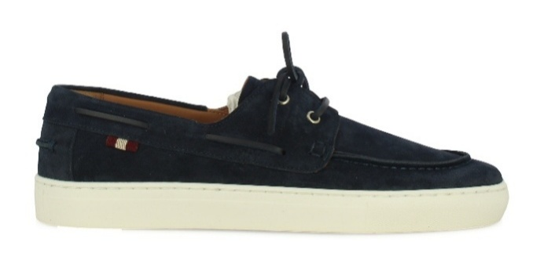 | MSK0H4_SU005 | HEDON BOAT.O CALF SUEDE | U534 BLUE NAVY 50 | 98 | 410.00 € | 40,180.00 € | PORTUGAL | B |  |  |  |  |  |  |  | 1 |  | 4 |  | 11 | 1 | 21 | 1 | 26 | 1 | 16 | 1 | 10 | 1 | 4
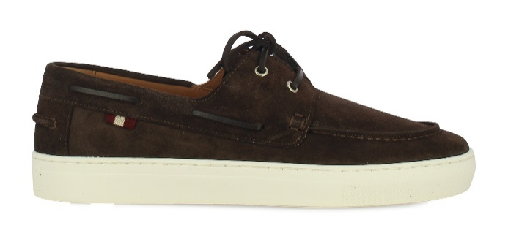 | MSK0H4_SU005 | HEDON BOAT.O CALF SUEDE | U864 - SUEDE/COFFEE 50 | 61 | 410.00 € | 25,010.00 € | PORTUGAL | B |  |  |  |  |  |  |  | 1 |  | 3 |  | 9 |  | 17 |  | 16 |  | 9 |  | 4 |  | 2
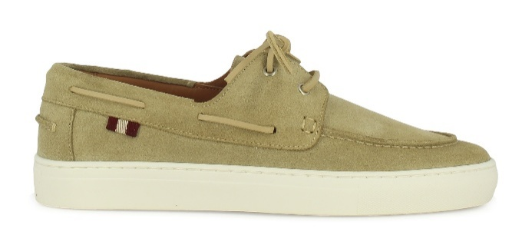 | MSK0H4_SU005 | HEDON BOAT.O CALF SUEDE | U8D5 - SABBIA 50 | 52 | 410.00 € | 21,320.00 € | PORTUGAL | B |  |  |  |  |  |  |  | 1 |  | 2 |  | 5 | 1 | 9 | 1 | 12 | 1 | 9 | 1 | 6 | 1 | 3
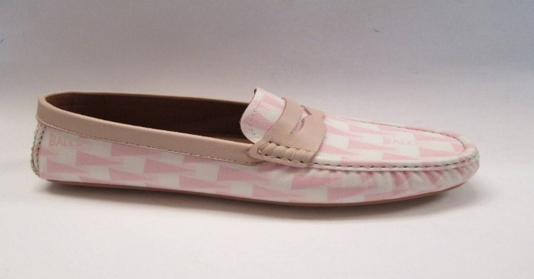 | WD0528_TE006 | ESSENTIAL PEN.O MIX COTTON | I3H2 - MULTIDUSTYPETAL | 13 | 390.00 € | 5,070.00 € | PORTUGAL | B |  | 1 |  | 2 |  | 3 | 1 | 3 | 1 | 2
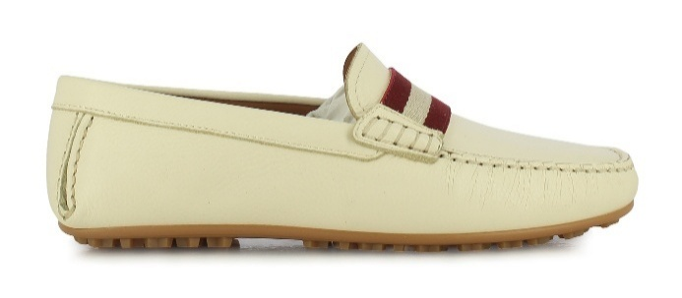 | WD052F_VT824 | ESSENTIAL TSP.O CALF GRAINED | U103 - BONE 50 | 549 | 370.00 € | 203,130.00 € | PORTUGAL | B | 15 | 83 | 39 | 110 | 52 | 99 | 41 | 71 | 4 | 24 |  | 11
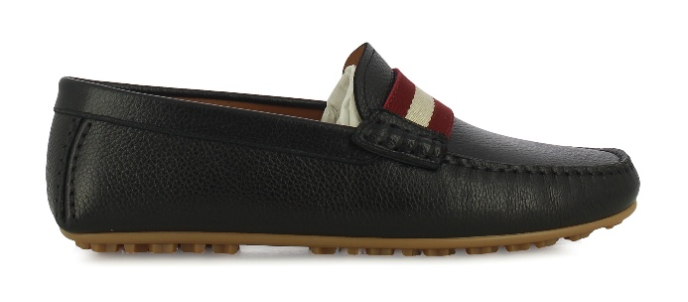 | WD052F_VT824 | ESSENTIAL TSP.O CALF GRAINED | U901 - BLACK | 549 | 370.00 € | 203,130.00 € | PORTUGAL | B | 15 | 83 | 39 | 110 | 52 | 98 | 40 | 71 | 5 | 25 |  | 11
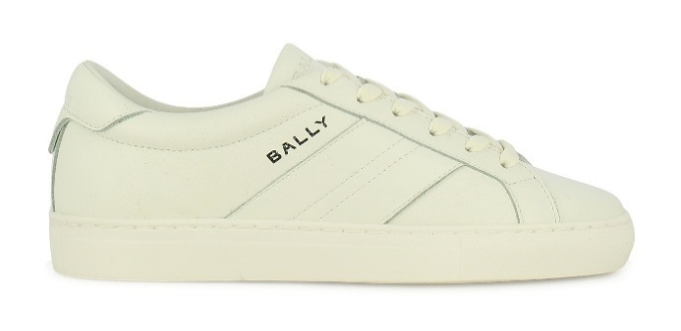 | WK00E5_VT009 | HEDEY-U.W.0 CALF GRAINED | U001 WHITE | 36 | 370.00 € | 13,320.00 € | PORTUGAL | B |  | 2 | 1 | 6 | 2 | 9 | 2 | 6 | 1 | 5 |  | 2
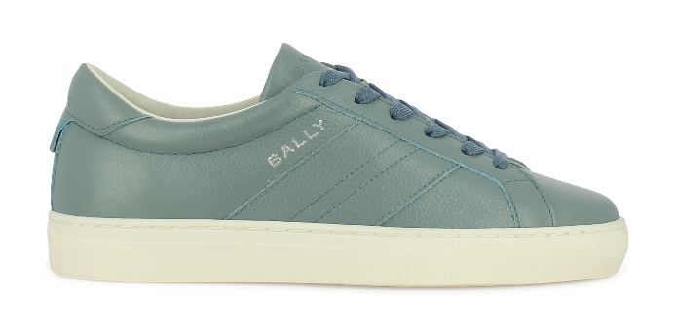 | WK00E5_VT009 | HEDEY-U.W.0 CALF GRAINED | U5F0 PASTEL BLUE 50 | 21 | 370.00 € | 7,770.00 € | PORTUGAL | B |  | 2 | 2 | 3 | 3 | 3 | 3 | 2 | 2 | 1
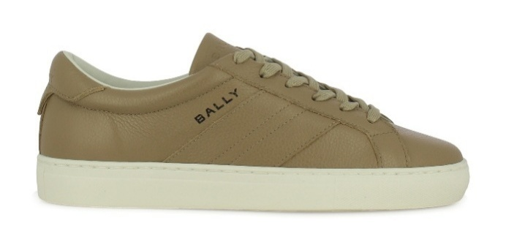 | WK00E5_VT009 | HEDEY-U.W.0 CALF GRAINED | U8D5 - SABBIA 50 | 32 | 370.00 € | 11,840.00 € | PORTUGAL | B |  | 1 | 2 | 6 | 3 | 8 | 2 | 6 | 1 | 2 |  | 1
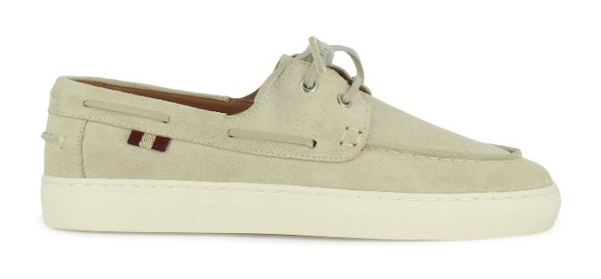 | WK00E6_SU005 | HEDON BOAT-W.O CALF SUEDE | U103 - BONE 50 | 15 | 370.00 € | 5,550.00 € | PORTUGAL | B |  | 1 |  | 2 | 1 | 3 | 1 | 2 | 1 | 3 |  | 1
 | MSD06E_VT005 F | BUCKLE TSP.O CALF PLAIN | U504 - INK 50 | 17 | 390.00 € | 6,630.00 € | PORTUGAL | A |  |  |  | 1 |  | 2 | 1 | 3 | 1 | 3 | 1 | 3 | 1 | 1
 | MSD06E_VT005 E | BUCKLE TSP.O CALF PLAIN | U864 - SUEDE/COFFEE 50 | 78 | 390.00 € | 30,420.00 € | PORTUGAL | A |  |  |  |  |  | 2 |  | 10 | 2 | 13 | 6 | 13 | 2 | 12 | 5 | 13
 | MSD06E_VT005 F | BUCKLE TSP.O CALF PLAIN | U864 - SUEDE/COFFEE 50 | 92 | 390.00 € | 35,880.00 € | PORTUGAL | A |  |  |  | 1 |  | 9 | 1 | 13 | 8 | 13 | 8 | 13 | 8 | 8 | 3 | 7
 | MSD06E_VT005 E | BUCKLE TSP.O CALF PLAIN | U901 - BLACK | 114 | 390.00 € | 44,460.00 € | PORTUGAL | A |  |  |  |  |  | 3 |  | 15 | 4 | 20 | 8 | 19 | 2 | 16 | 7 | 20
 | MSD06E_VT005 F | BUCKLE TSP.O CALF PLAIN | U901 - BLACK | 149 | 390.00 € | 58,110.00 € | PORTUGAL | A |  |  |  | 2 | 1 | 15 | 4 | 21 | 12 | 23 | 12 | 21 | 11 | 10 | 8 | 9
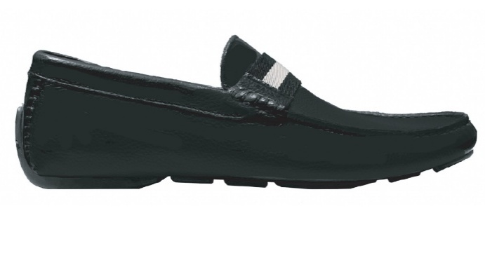 | MSD06E_VTA36 E | BUCKLE TSP.O CALF GRAINED | I919 - BLACK/BLACK | 1 | 390.00 € | 390.00 € | PORTUGAL | A |  |  |  |  |  |  |  |  |  |  |  |  |  | 1
 | MSD06E_VTA36 F | BUCKLE TSP.O CALF GRAINED | I919 - BLACK/BLACK | 158 | 390.00 € | 61,620.00 € | PORTUGAL | A |  |  |  | 2 | 1 | 15 | 5 | 25 | 13 | 27 | 13 | 22 | 10 | 9 | 8 | 8
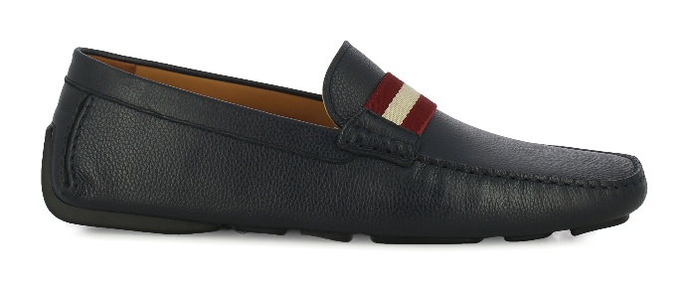 | MSD06E_VTA36 E | BUCKLE TSP.O CALF GRAINED | U504 - INK 50 | 15 | 390.00 € | 5,850.00 € | PORTUGAL | A |  |  |  |  |  | 1 |  | 1 |  | 2 | 1 | 3 | 1 | 2 | 1 | 2 |  | 1
 | MSD06E_VTA36 F | BUCKLE TSP.O CALF GRAINED | U504 - INK 50 | 32 | 390.00 € | 12,480.00 € | PORTUGAL | A |  |  |  | 1 |  | 4 | 3 | 8 | 2 | 7 | 2 | 3 | 1 | 1
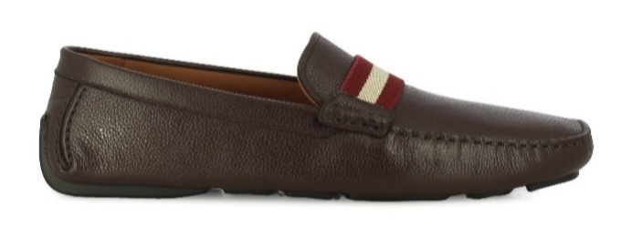 | MSD06E_VTA36 E | BUCKLE TSP.O CALF GRAINED | U864 - SUEDE/COFFEE 50 | 18 | 390.00 € | 7,020.00 € | PORTUGAL | A |  |  |  |  |  |  |  | 4 | 2 | 3 | 2 | 4 | 2 | 1
 | MSD06E_VTA36 F | BUCKLE TSP.O CALF GRAINED | U864 - SUEDE/COFFEE 50 | 92 | 390.00 € | 35,880.00 € | PORTUGAL | A |  |  |  | 1 |  | 9 | 1 | 13 | 8 | 13 | 8 | 13 | 8 | 8 | 3 | 7
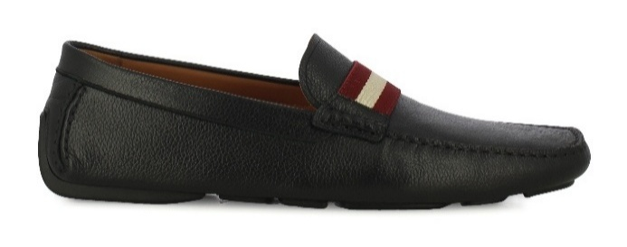 | MSD06E_VTA36 E | BUCKLE TSP.O CALF GRAINED | U901 - BLACK | 73 | 390.00 € | 28,470.00 € | PORTUGAL | A |  |  |  |  |  | 1 |  | 10 | 3 | 12 | 9 | 13 | 9 | 8 | 6 | 1 |  | 1
 | MSD06E_VTA36 F | BUCKLE TSP.O CALF GRAINED | U901 - BLACK | 78 | 390.00 € | 30,420.00 € | PORTUGAL | A |  |  |  | 2 | 2 | 10 | 5 | 12 | 6 | 12 | 6 | 12 | 5 | 3 | 1 | 2
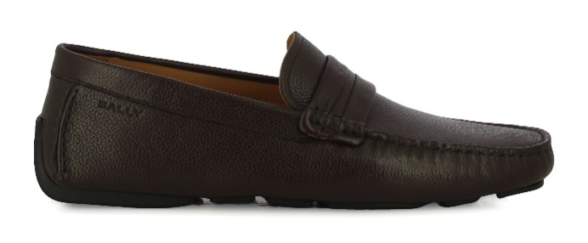 | MSD06N_VT029 E | BUCKLE-U.O CALF GRAINED | U864 - SUEDE/COFFEE 50 | 18 | 390.00 € | 7,020.00 € | PORTUGAL | A |  |  |  |  |  |  |  | 4 | 2 | 3 | 2 | 4 | 2 | 1
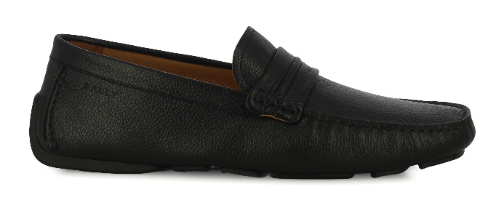 | MSD06N_VT029 E | BUCKLE-U.O CALF GRAINED | U901 - BLACK | 102 | 390.00 € | 39,780.00 € | PORTUGAL | A |  |  |  |  |  | 3 |  | 14 | 6 | 18 | 7 | 18 | 4 | 13 | 4 | 15
 | MSD06F_SU004 E | VERYN MORS.O CALF SUEDE | U504P - INK 50 + PALLADIO | 16 | 460.00 € | 7,360.00 € | PORTUGAL | B |  |  |  |  |  |  |  |  |  | 1 |  | 1 |  | 4 |  | 4 |  | 3 |  | 2 |  | 1
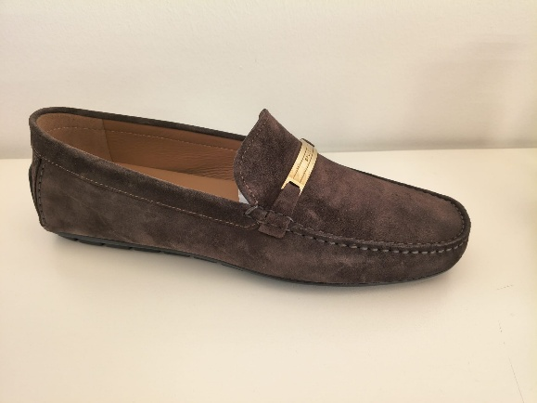 | MSD06F_SU004 E | VERYN MORS.O CALF SUEDE | U805G - COFFEE/GOLD | 1 | 460.00 € | 460.00 € | PORTUGAL | B |  |  |  |  |  |  |  |  |  |  |  |  |  |  |  | 1
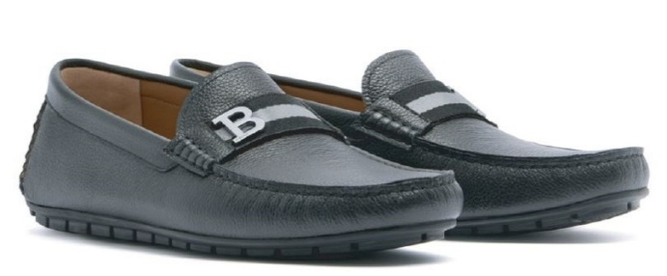 | MSD06H_VTA48 E | VERYN B.O CALF GRAINED | I97P - BLACK/BLACK | 144 | 420.00 € | 60,480.00 € | PORTUGAL | B |  |  |  |  |  |  |  |  |  | 2 |  | 12 | 7 | 17 | 11 | 24 | 15 | 20 | 9 | 15 |  | 12
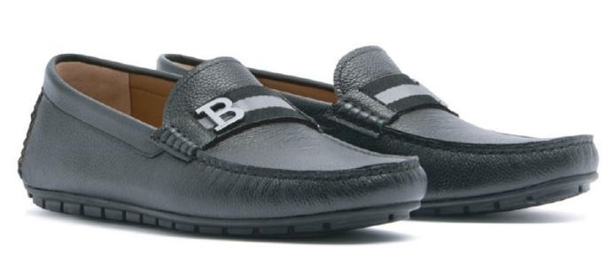 | MSD06H_VTA48 F | VERYN B.O CALF GRAINED | I97P - BLACK/BLACK | 50 | 420.00 € | 21,000.00 € | PORTUGAL | B |  |  |  |  |  |  |  | 1 | 1 | 6 | 3 | 8 | 4 | 8 | 4 | 8 | 3 | 2 | 1 | 1
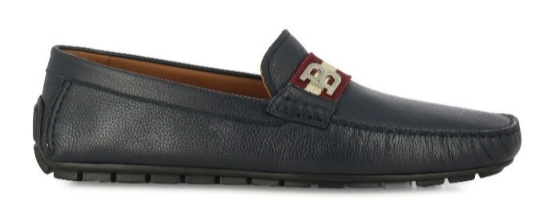 | MSD06H_VTA48 E | VERYN B.O CALF GRAINED | U504 - INK 50 | 75 | 420.00 € | 31,500.00 € | PORTUGAL | B |  |  |  |  |  |  |  |  |  |  |  | 5 | 4 | 8 | 7 | 12 | 9 | 10 | 5 | 8 |  | 7
 | MSD06H_VTA48 F | VERYN B.O CALF GRAINED | U504 - INK 50 | 17 | 420.00 € | 7,140.00 € | PORTUGAL | B |  |  |  |  |  |  |  | 1 |  | 2 | 1 | 3 | 1 | 3 | 1 | 3 | 1 | 1
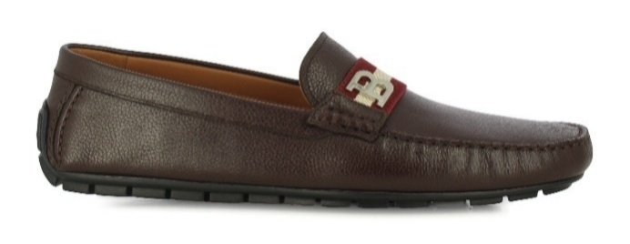 | MSD06H_VTA48 E | VERYN B.O CALF GRAINED | U864 - SUEDE/COFFEE 50 | 184 | 420.00 € | 77,280.00 € | PORTUGAL | B |  |  |  |  |  |  |  |  |  | 2 |  | 18 | 8 | 25 | 15 | 30 | 14 | 26 | 12 | 25 |  | 9
 | MSD06H_VTA48 F | VERYN B.O CALF GRAINED | U864 - SUEDE/COFFEE 50 | 17 | 420.00 € | 7,140.00 € | PORTUGAL | B |  |  |  |  |  |  |  | 1 |  | 2 | 1 | 3 | 1 | 3 | 1 | 3 | 1 | 1
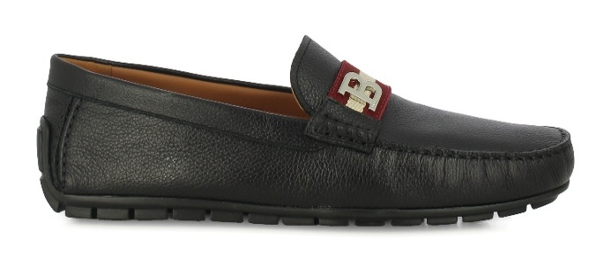 | MSD06H_VTA48 E | VERYN B.O CALF GRAINED | U901 - BLACK | 385 | 420.00 € | 161,700.00 € | PORTUGAL | B |  |  |  |  |  |  |  |  |  | 4 |  | 34 | 20 | 49 | 31 | 63 | 35 | 53 | 25 | 47 |  | 24
 | MSD06H_VTA48 F | VERYN B.O CALF GRAINED | U901 - BLACK | 77 | 420.00 € | 32,340.00 € | PORTUGAL | B |  |  |  |  |  |  |  | 2 | 2 | 10 | 5 | 12 | 6 | 12 | 6 | 12 | 4 | 3 | 1 | 2
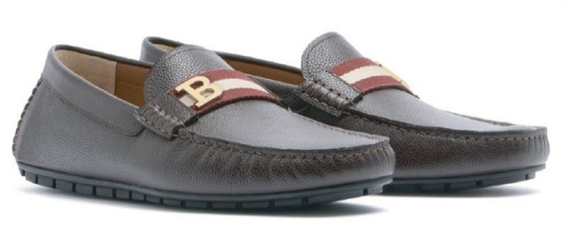 | MSD06H_VTA48 E | VERYN B.O CALF GRAINED | I84F - COFFEE | 7 | 420.00 € | 2,940.00 € | PORTUGAL | B |  |  |  |  |  |  |  |  |  | 1 |  | 1 |  | 2 |  | 2 |  | 1
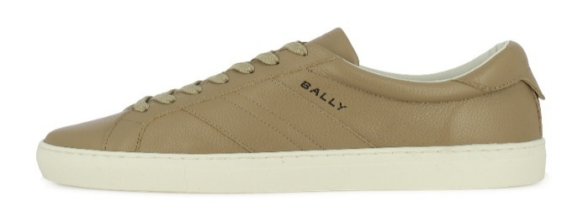 | MSK0H3_VT009 E | HEDEY-U.O CALF GRAINED | U8N8 - SABBIA 26 | 7 | 390.00 € | 2,730.00 € | PORTUGAL | B |  |  |  |  |  |  |  |  | 1 | 2 | 1 | 2 | 1
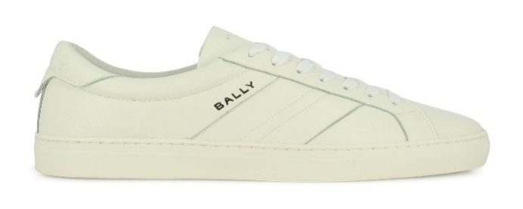 | MSK0H3_VT009 E | HEDEY-U.O CALF GRAINED | U001 - WHITE | 60 | 390.00 € | 23,400.00 € | PORTUGAL | B |  |  |  |  |  |  |  |  |  |  |  |  |  | 10 | 5 | 10 | 5 | 10 | 5 | 5 | 5 | 5
 | MSK0H3_VT009 E | HEDEY-U.O CALF GRAINED | U864 - SUEDE/COFFEE 50 | 31 | 390.00 € | 12,090.00 € | PORTUGAL | B |  |  |  |  |  |  |  |  | 1 | 4 | 1 | 5 | 1 | 7 | 1 | 4 | 1 | 3 |  | 2 |  | 1
TOTAL BALLY FOOTWEAR |  |  |  | 9,068 | 395.23 € | 3,583,970.00 € |  |  | 30 | 173 | 84 | 398 | 154 | 933 | 386 | 1,149 | 461 | 1,102 | 421 | 1,031 | 300 | 787 | 223 | 629 | 138 | 308 | 72 | 196 | 8 | 85

